Sheet1
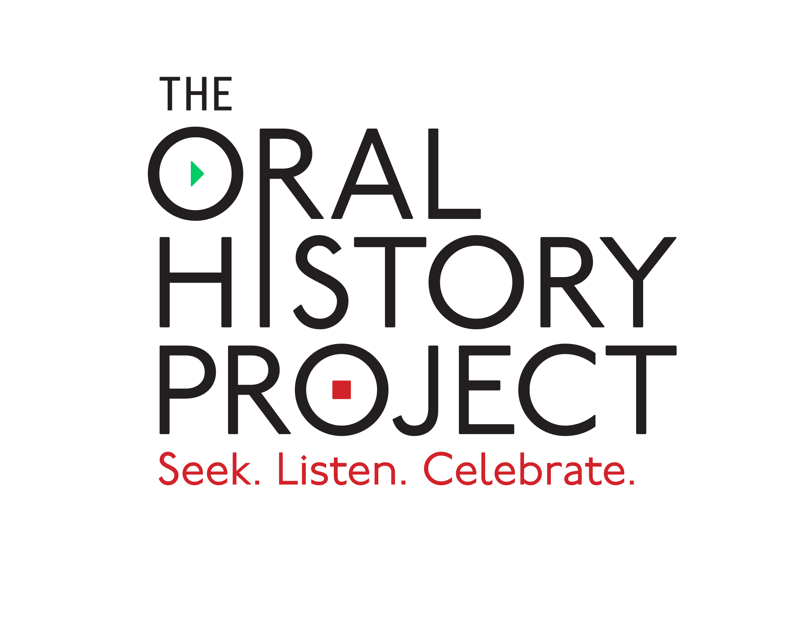
 | ORAL HISTORY PROJECT TIMELINE
DATE | MILESTONE | Responsible Party
2025-05-09 | Project Kick-Off Call | Client & PCI
2025-05-16 | Marketing deliverables due (logo, signature, Project Reference Sheet) | Client
2025-05-23 | Constituent data file due (biographical and geographical fields) | Client
2025-06-16 | Client announces project to constituents (optional, but highly encouraged) | Client
2025-06-20 | Start of marketing phase | PCI
2025-06-23 | Inbound interview phone lines go live Postcards & emails sent to drive inbound response | PCI
6/23/2025 - 12/19/2025 | Constituents who have not responded will receive marketing events on a staggered basis (postcards and emails) | PCI
6/23/2025 - 12/19/2025 | Story transcription & editing | PCI
6/26/2025 - 12/19/2025 | Consituent stories available for review | Client
2025-08-07 | 25-50 high resolution photos for supplementary usage within publication due | Client
2025-09-21 | Outbound phoning begins (approximate) | PCI
2025-12-19 | Phone lines close, end of marketing -- all interviews have been conducted | PCI
2026-02-02 | Data proofing and final story QC | PCI
2026-03-04 | PDF Review (includes cover and interior pages) | Client & PCI
2026-05-16 | Book sent to printer | PCI
2026-07-05 | Oral History Publication and apparel orders ship to purchasers, complimentary copies sent to client | PCI
2026-07-19 | Online Story Vault goes live | PCI
** all dates are projected and subject to change

