Sheet1
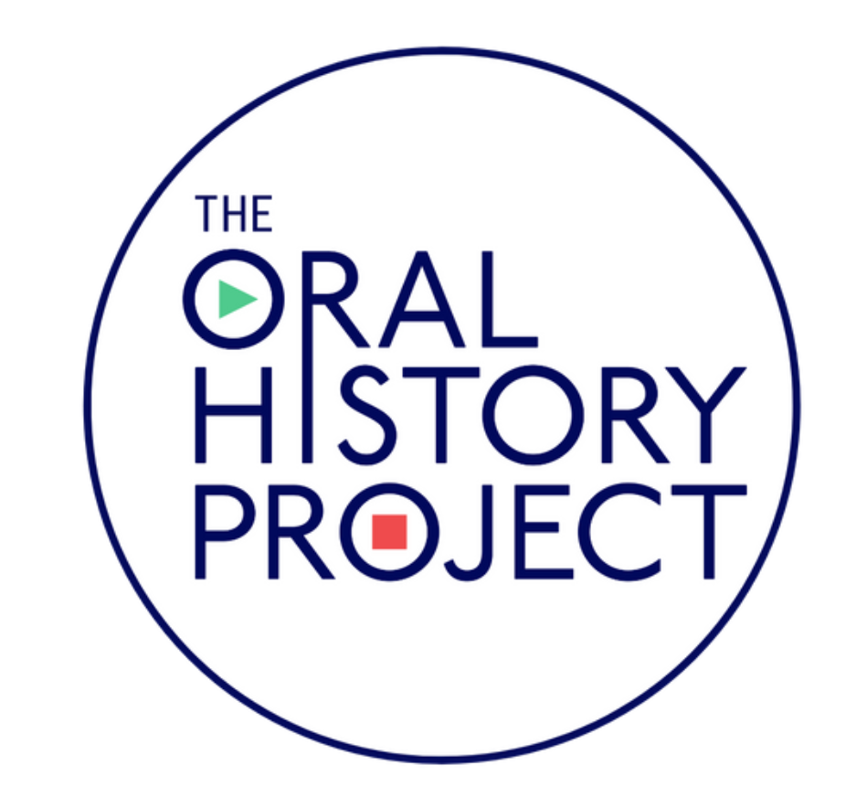
 |  | ORAL HISTORY PROJECT TIMELINE
 | DATE | MILESTONE | Responsible Party
 | 2021-07-20 | Project Kick-Off Call | Client & PCI
 | 2021-08-09 | Marketing deliverables (logo, signature, etc) due from client | Client
 | 2021-08-09 | Alumni data file due (biographical and geographical fields) | Client
 | 2021-08-20 | Marketing approval due | Client
 | 2021-08-29 | Client announces project to alumni (optional, but highly encouraged) | Client
Modify Date Here and Schedule will Populate Accordingly>>>>> | 2021-09-03 | Start of marketing phase | PCI
 | 2021-09-06 | Inbound interview phone lines go live; Dual Events (postcard & email that arrive same day) to drive inbound response | PCI
 | 9/6/2021 - 3/4/2022 | Database will be segmented; segments will receive a dual event on a rolling 2 week cycle until marketing concludes; story transcription editing | PCI
 | 2022-03-04 | Phone lines close, end of marketing -- all interviews have been conducted | PCI
 | 2022-04-03 | Apparel ships to alumni | PCI
 | 2022-04-13 | Publication and cover art design phase | PCI (w/ client input)
 | 2022-05-28 | Proofing Round | Client & PCI
 | 2022-06-27 | Proofing Round 2 | Client & PCI
 | 2022-07-20 | Page samples sent to client for final sign-off | Client
 | 2022-09-18 | Oral History Publication orders ship to alumni; complimentary copies sent to client | PCI
 | 2022-09-28 | Online Story Vault goes live for Client | PCI

